ACH Form

 |  |  | California State University, Long Beach
 |  | Vendor Electronic Payment Enrollment Form

 |  |  |  |  |  |  |  |  | Vendor ID/AP Use

Date | Please check one indicating the enrollment type
 | New |  | Update |  | Termination
2019-02-26

Vendor/Payee Name |  |  |  |  |  |  |  | Payee Contact Information - Phone

Vendor/Payee Mailing Address |  |  |  |  |  |  |  | Payee Contact Information - E-mail

CSULB ID#:
City |  |  |  | State |  |  | Zip |  |  | Payee Tax Identification Number

Financial Institution & Account Information - attaching a copy of a voided check is recommended but not required
Direct Deposit to: |  |  |  |  | Checking |  |  |  | Savings/Money Mkt
Financial Institutions Routing # (ABA - # ): |  |  |  |  |  |  |  | Account Number:
Financial Institution Name:
Financial Institution Street address

City |  |  |  | State |  |  | Zip |  | Phone(not req)

Statement of Payee's Responsibilities:
I hereby authorize in accordance with the rules and regulations of the National Automated Clearinghouse Association ("NACHA") California State University ("CSU"), Long Beach to credit any payments to the entity listed above as "Vendor/Payee Name" via automated clearinghouse electronic fund transfer ("ACH") to the bank and bank account owned by the vendor referenced above. This authorization will remain in effect until cancelled in writing. A new authorization must be completed if there is a change to the bank account, the bank account is closed, or there is a change in financial institutions.
Additionally, I acknowledge and understand that CSU, Long Beach will assume zero overdraft liabilities for this activity.

I certify that I am an Authorized Official of the above named Vendor/Payee.
Vendor Authorized Representative/Official (please print name and title) |  |  |  |  |  | Vendor Authorized Representative Signature |  |  |  |  |  | Date

Attach any supporting documentation to this Direct Deposit document and submit to Accounts Payable: |  |  |  |  |  |  |  |  |  |  | Ver 2016-10
University Controller's Office - Accounts Payable, Foundation Building Suite 280 (MS-9901), 6300 State University Drive, Long Beach CA 90815-4680 phone (562)985-2512

tips
 | California State University, Long Beach

 | Vendor Electronic Payment Enrollment Form

 |  | Tips

Where are my Bank Routing and Bank Account Numbers?

The line of numbers and special symbols at the bottom of one of your personal checks or deposit slips contains the bank routing and bank account number information you need to enter on the form.

Example 1: Sample Check
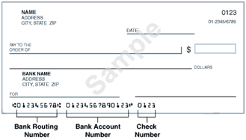

Example 2: Sample Deposit Slip
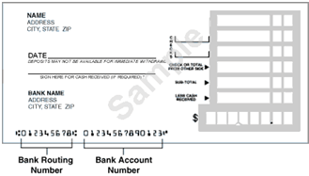

Bank Routing Numbers

Your bank routing number is the nine digit number which appears between the
symbols on the bottom of your check.

Bank Account Numbers

Your bank account number usually appears to the right of the bank routing number. It can be up to 17 characters long and contains only digits and possibly hyphens. If the bank account number printed on your check contains spaces, you do not need to enter the spaces.

Note: Some banks display the check number to the left of the bank account number. Be sure you don't include the check number as part of the bank account number.

